Sheet1
1. | post a journal entry to the GL accounts below by using F-02 transaction code and write down the document number as below. |  |  |  |  | (F-02)
 | GL Accounts | Ex. Document Number
 | 102000000 | 100000001
 | 8990100200
2. | create a customer and write down your customer number like example below |  | (BP)
 | Customer Number
 | 1000175

3. | post a customer Invoice by using customer that is created previous question and write down your document number(that is created after postings) |  |  |  |  | (FB70)

 | Ex. Document Number
 | 100000001

4. | show your customer balance by using FBL5N t code and put the screenshot to below |  | FBL5N
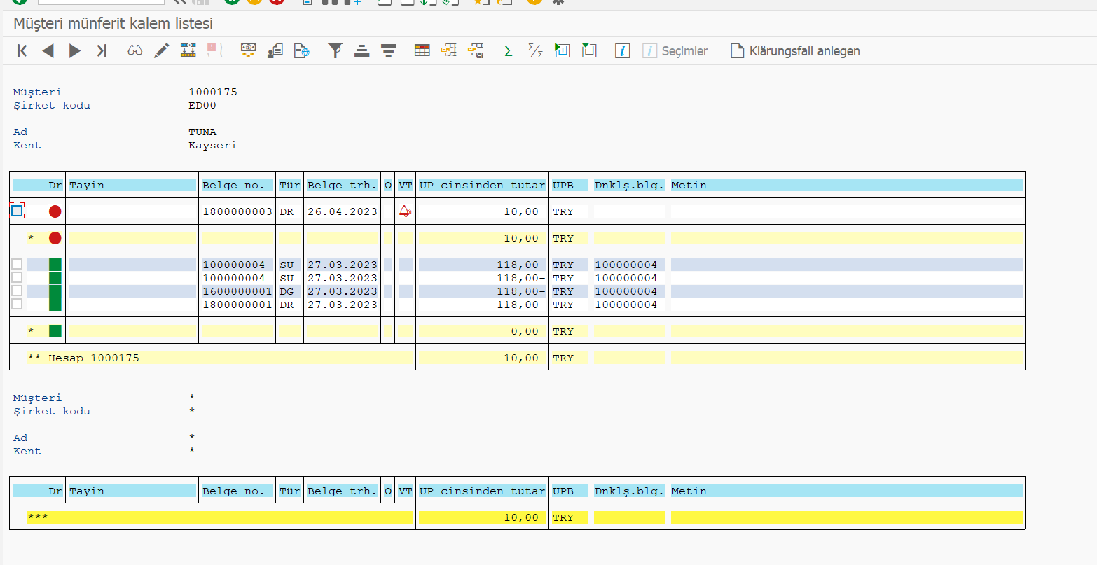

5 | Consider That Your Customer Made a payment to your bank account, please post a journal entry of payment and write down your document number below |  |  |  |  | FB75

 | Ex. Document Number
 | 100000001

6. | make the clearing transaction after payment by using f-32 t code and write down document number like below |  |  |  | F-32

 | Ex. Document Number
 | 100000001

7. | show your customer balance after clearing by using FBL5N t code and put the screenshot to below |  |  | FBL5N

